Sheet1
# | Bug Description | Steps to Reproduce | Expected Result | Actual Result | Severity | Screenshot / Video
1 | Irrelevant products displayed in search results | 1. Navigate to the search results page for "Shoes" | Only shoe-related products should be displayed | Non-shoe items like bags are shown in the results | High
 |  | 2. Observe the listed products
2 | Irrelevant products displayed in search results | 1. Navigate to the search results page for "t shirt" | Only shoe-related products should be displayed | shown another iteme not t shirt between t sherts | High | 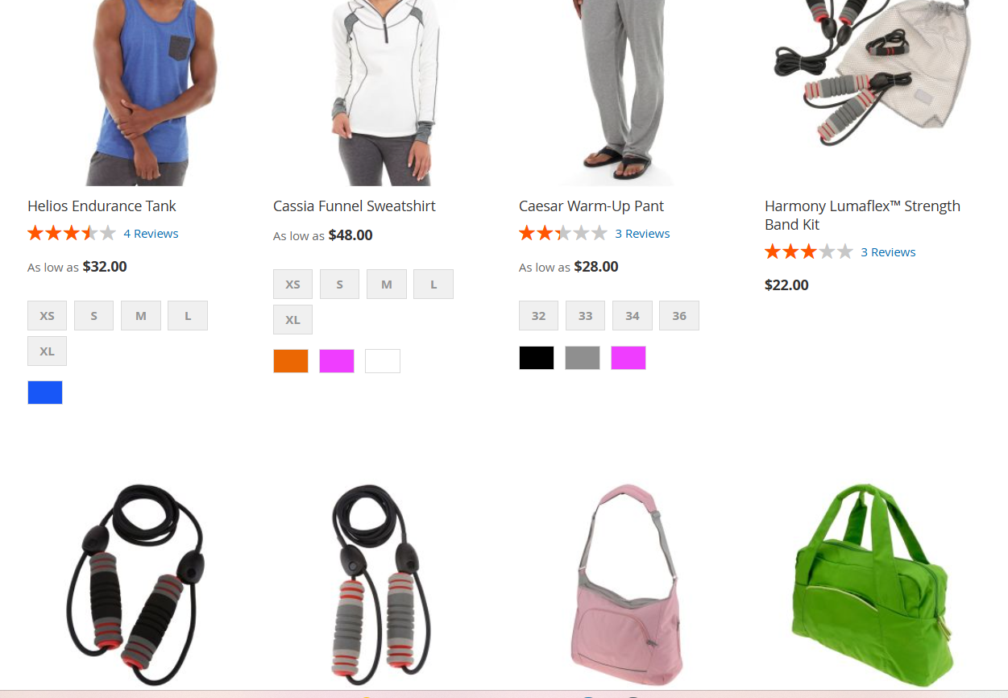

 |  | 2. Observe the listed products

